Sales 2016
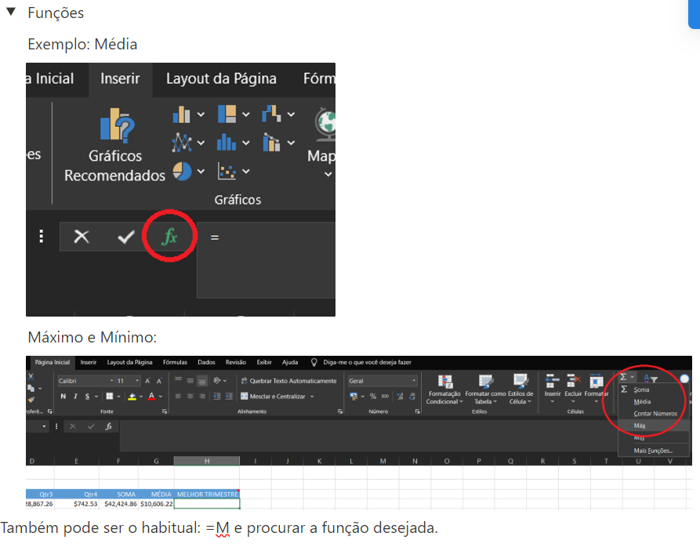
Sales Summary 2016 |  |  |  |  |  |  |  | COMISSÃO POR VENDA | 5%

Acct Managers | Qtr1 | Qtr2 | Qtr3 | Qtr4 | SOMA | MÉDIA | MELHOR TRIMESTRE | PIOR TRIMESTRE | COMISSÃO
Aanya Zhang | $5,187.90 | $7,627.17 | $28,867.26 | $742.53 | $42,424.86 | $10,606.22 | $28,867.26 | $742.53 | 2121.243
Charlie Bui | $24,271.31 | $130.78 | $116.61 | $355.15 | $24,873.85 | $6,218.46 | $24,271.31 | $116.61 | 1243.6925
Connor Betts | $854.08 | $20,123.65 | $3,050.18 | $4,373.98 | $28,401.89 | $7,100.47 | $20,123.65 | $854.08 | 1420.0945
Leighton Forrest | $815.58 | $1,129.69 | $327.02 | $16,169.12 | $18,441.41 | $4,610.35 | $16,169.12 | $327.02 | 922.0705
Mihael Khan | $425.78 | $981.27 | $596.70 | $470.74 | $2,474.49 | $618.62 | $981.27 | $425.78 | 123.7245
Natasha Song | $5,080.74 | $6,259.31 | $4,265.86 | $4,956.43 | $20,562.34 | $5,140.59 | $6,259.31 | $4,265.86 | 1028.117
Nicholas Fernandes | $21,787.86 | $1,533.62 | $2,191.42 | $2,384.04 | $27,896.94 | $6,974.24 | $21,787.86 | $1,533.62 | 1394.847
Phoebe Gour | $5,117.84 | $12,156.60 | $351.06 | $15,653.93 | $33,279.43 | $8,319.86 | $15,653.93 | $351.06 | 1663.9715
Preston Senome | $1,326.07 | $1,415.98 | $2,314.11 | $2,817.60 | $7,873.76 | $1,968.44 | $2,817.60 | $1,326.07 | 393.688
Radhya Staples | $0.00 | $3.32 | $10,373.59 | $206.16 | $10,583.07 | $2,645.77 | $10,373.59 | $0.00 | 529.1535
Samantha Chairs | $2,233.62 | $2,005.70 | $1,542.68 | $4,921.92 | $10,703.92 | $2,675.98 | $4,921.92 | $1,542.68 | 535.196
Stevie Bacata | $0.00 | $91.10 | $0.00 | $0.00 | $91.10 | $22.78 | $91.10 | $0.00 | 4.555
Tina Carlton | $17,247.36 | $2,512.24 | $7,003.82 | $2,952.73 | $29,716.15 | $7,429.04 | $17,247.36 | $2,512.24 | 1485.8075
Yvette Biti | $2,252.16 | $1,476.92 | $3,293.39 | $7,731.78 | $14,754.25 | $3,688.56 | $7,731.78 | $1,476.92 | 737.7125
Total | $86,600.30 | $57,447.35 | $64,293.70 | $63,736.11 | $272,077.46

